Assumptions


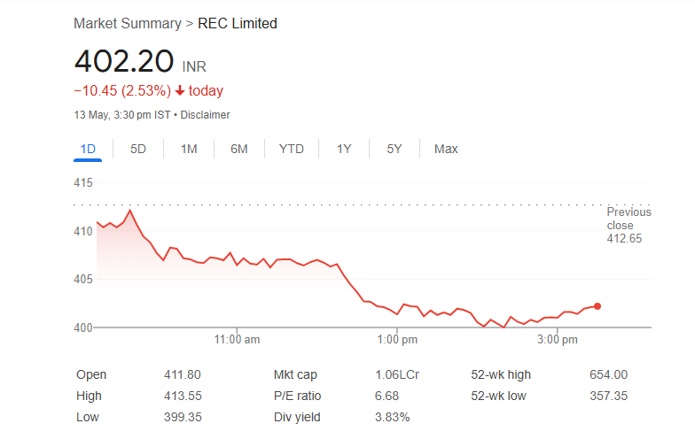
 | Company Name | REC LTD
 | ISIN Code | INE020B01018
 | Sector Name | power and energy sector
 | Industry | Financial Institution
 | Exchange Name | REC LTD
 | Current Market Price | 401.75

 | Base Case | 2

 | Company data
 | Particulars |  | Amount
 | No of Outstanding shares | Nos | 2,633,224,000.00
 | Face Value per share | Rs. | 1
 | Current Market Price | Rs. | 401.75
 | Market Capitalization | INR in crs | 105,789.77

Assumptions

 |  |  | Revenue from operations per case is projected by taking the average growth in interest income from audited years as the base case, and adjusting it by +3% for the best case and -3% for the worst case, with the assumption of a constant rate for further projected years.

 |  |  | Revenue from operations, including dividend income, fees and commissions, net gain/(loss) on fair value changes, and sale of services, should be calculated as a percentage of interest income. Then, take the average across the audited years and multiply it by the projected revenue to obtain the projected value.

 | Revenue Build up |  | Other income is projected as a percentage of revenue from operations. Take the average across the audited years, apply a constant rate for all projected years, and multiply it by the projected revenue to obtain the other income projection.

 |  |  | Share of profits/losses of joint ventures accounted for using the equity method should be considered as zero for the projection.

 |  |  | All costs are projected as a percentage of revenue from operations. Take the average across all audited years and multiply it by the projected revenue from operations.

 |  |  | Net translation/transaction exchange loss is projected as a percentage of revenue from operations. Take the average of the last four years and multiply it by the revenue from operations.

 | Cost Build Up |  | Net loss on fair value changes is considered as zero for the projection.

 |  |  | Finance costs, calculated from the balance sheet, use the latest year's borrowing percentage rates for projections.

 |  |  | Every two years, the tax rate is expected to increase by 0.5% from the previous year

 | Fixed Assets Schedule (FAS) |  | Figures for the year 2024 are used to forecast the additions, disposals, and depreciation of fixed assets and intangible assets, with a 0.5% growth rate for each projected year.

 |  |  | Capital WIP is forecasted with the same absolute growth and increased by 0.5% for each projected year.

 | BS Items |  | Balance sheet items are predicted as a percentage of revenue, using the average of the last five years as a constant, and then multiplied by the projected revenue from operations to obtain all items.

 |  |  | Trade receivables and trade payables are calculated as a percentage of revenue, using the average of the last four years for projection purposes.

 | Working Capital |  | Inventories are not present in the company's balance sheet, so they should be considered as zero.

 |  |  | For future years, DSO and DPO are calculated using revenue for projection purposes.

 |  |  | Since the last three years of data for Investment Property, Intangible Assets Under Development, and Investment Accounted for Using the Equity Method are not available, these should be considered as zero for projection purposes.
 | Balance Sheet
 |  |  | Cash and cash equivalents are taken as the balancing figures in the balance sheet.

 | Equity Beta |  | Beta is calculated by finding the slope of the relationship between the return of REC Ltd. and the market return, represented by Nifty 50

 | DCF Analysis |  | Consider the risk-free return as 7.01% and the perpetual growth rate as 6%.

 | Comps |  | IRFC, Power Finance Corporation, Indian Renewable, and IFCI have been selected for the comparable company analysis due to their market capitalization being relatively close to that of REC Ltd.

Charts
Charts
Revenue Vs Y-O-Y Growth
 | Total Revenue from Operations |  | Y -o-Y growth
2020 | 29,929.78 | 18.79%
2021 | 35,552.68 | 10.45% | 18.79%
2022 | 39,269.05 | 0.53% | 10.45%
2023 | 39,478.26 | 20.33% | 0.53%
2024 | 47,504.75 | 11.74% | 20.33%
2025 | 53,082.85 | 12.06% | 11.74%
2026 | 59,485.70 | 12.06% | 12.06%
2027 | 66,660.86 | 12.06% | 12.06%
2028 | 74,701.49 | 12.06% | 12.06%
2029 | 83,711.97 | 12.06% | 12.06%
2030 | 93,809.30 | 12.06% | 12.06%
2031 | 105,124.57 | 12.06% | 12.06%
2032 | 117,804.69 | 12.06% | 12.06%
2033 | 132,014.28 | 12.06% | 12.06%
2034 | 147,937.83 |  | 12.06%
PAT Vs EBITDA
 | EBITDA | Profit before Tax
2020 | 10,367.49 | 7,029.97
2021 | 14,325.45 | 10,779.59
2022 | 16,578.84 | 12,430.53
2023 | 20,518.70 | 13,897.67
2024 | 28,975.68 | 17,959.95
2025 | 25,113.71 | 17,623.52
2026 | 28,142.92 | 19,752.05
2027 | 31,537.52 | 22,137.34
2028 | 35,341.57 | 24,810.36
2029 | 39,604.46 | 27,805.81
2030 | 44,381.55 | 31,162.59
2031 | 49,734.85 | 34,924.28
2032 | 55,733.86 | 39,139.71
2033 | 62,456.48 | 43,863.62
2034 | 69,989.97 | 49,157.35

 | ROE | Return on Capital Employed
2020 |  | 29.10%
2021 | 21.17% | 32.94%
2022 | 21.11% | 32.50%
2023 | 20.41% | 35.46%
2024 | 22.19% | 41.80%
2025 | 18.50% | 31.53%
2026 | 18.06% | 30.81%
2027 | 17.58% | 30.21%
2028 | 17.27% | 29.69%
2029 | 16.90% | 29.27%
2030 | 16.69% | 28.91%
2031 | 16.40% | 28.61%
2032 | 16.25% | 28.35%
2033 | 16.01% | 28.14%
2034 | 15.91% | 27.96%
EBITDA Vs Net profit
 | EBITDA | Profit before Tax
2020 | 10,367.49 | 7,029.97
2021 | 14,325.45 | 10,779.59
2022 | 16,578.84 | 12,430.53
2023 | 20,518.70 | 13,897.67
2024 | 28,975.68 | 17,959.95
2025 | 25,113.71 | 17,623.52
2026 | 28,142.92 | 19,752.05
2027 | 31,537.52 | 22,137.34
2028 | 35,341.57 | 24,810.36
2029 | 39,604.46 | 27,805.81
2030 | 44,381.55 | 31,162.59
2031 | 49,734.85 | 34,924.28
2032 | 55,733.86 | 39,139.71
2033 | 62,456.48 | 43,863.62
2034 | 69,989.97 | 49,157.35

